Audi
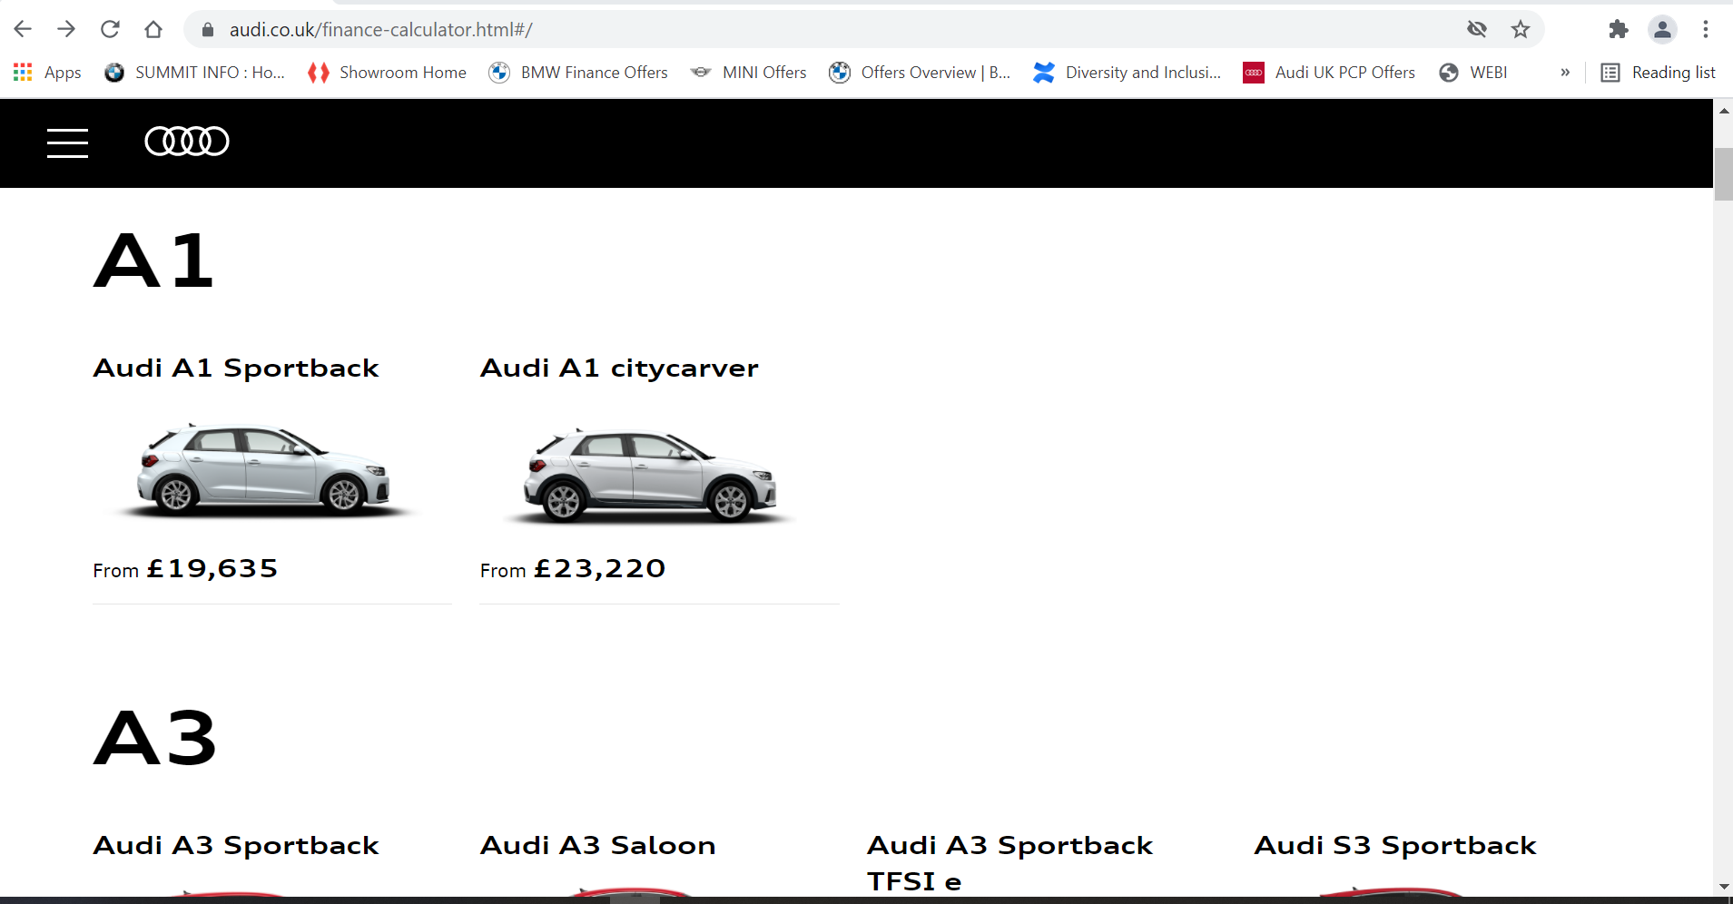
Top Page | https://www.audi.co.uk/finance-calculator.html#/ | Approx. 250 separate vehicles (by model/ trim/ engine)
Quote caluclator | Personalise your finance
 | Choose finance options
 | Your personalised finance

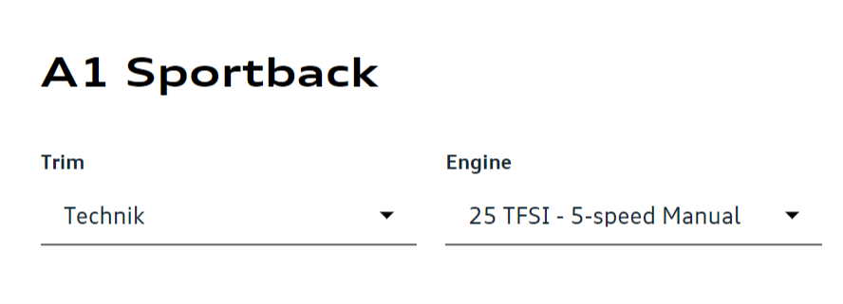
 | FS Reference | Location | Website Reference | Example/ Format | Type | Min/ max or other restrictions | Required
Model | Model | Top Page |  | A1 | List no hyperlink |  | All
 | Body Type | Top Page |  | Audi A1 Sportback | List with hyperlink to finance calculator |  | All
 | Trim | Top Page > Personalise your finance Page | Trim | Technik | Dropdown within finance calculator |  | All
 | Engine | Top Page > Personalise your finance Page | Engine | 25 TFSI - 5-speed manual | Dropdown within finance calculator |  | All
 | Fuel | Top Page > Personalise your finance Page
 | Transmission | Top Page > Personalise your finance Page |  |  |  |  | All
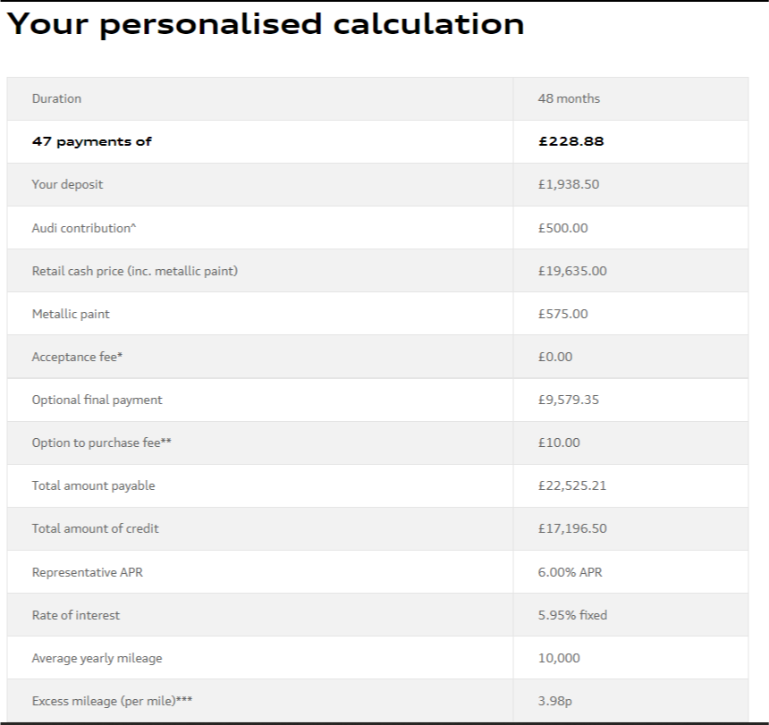
Quote | Monthly Payment | Top Page > Personalise your finance Page - Your personalised calculation section | XX payments of | £200.00 | Table line |  | Y
 | Your deposit | Top Page > Personalise your finance Page - Choose finance options section | Your deposit | £4,500 | Text input field |  | See quote matrix requirments
 | Term | Top Page > Personalise your finance Page - Choose finance options section | Contract length (months) | 48 | Slider | Min 36 - max 49; in monthly increments | See quote matrix requirments
 | Annual mileage | Top Page > Personalise your finance Page - Choose finance options section | Annual mileage | 10,000 | Slider | Min 5,000 - max 30,000 in 1,000 increments | See quote matrix requirments
 | Optional final payment | Top Page > Personalise your finance Page - Your personalised calculation section | Optional final payment | £10,000.00 | Table line |  | Y

 | Option to purchase fee | Top Page > Personalise your finance Page - Your personalised calculation section | Option to purchase fee** | £10.00 | Table line |  | Y
 | On the road cash price | Top Page > Personalise your finance Page - Your personalised calculation section | Retail cash price (inc. metallic paint) | £21,000.00 | Table line |  | Y
 | Our deposit contribution | Top Page > Personalise your finance Page - Your personalised calculation section | Audi contribution^ | £500.00 | Table line |  | Y
 | Total deposit | Top Page > Personalise your finance Page - Your personalised calculation section | -
 | Amount of credit | Top Page > Personalise your finance Page - Your personalised calculation section | Total amount of credit | £16,000.00 | Table line |  | Y
 | Excess mileage | Top Page > Personalise your finance Page - Your personalised calculation section | Excess mileage ( per mile)*** | 3.98p | Table line |  | Y
 | Fixed rate of interest | Top Page > Personalise your finance Page - Your personalised calculation section | Rate of interest | 4.49% | Table line |  | Y
 | A.P.R. | Top Page > Personalise your finance Page - Your personalised calculation section | Representative APR | 4.50% | Table line |  | Y
 | Total amount payable | Top Page > Personalise your finance Page - Your personalised calculation section | Total amount payable | £23,000.00 | Table line |  | Y

VW
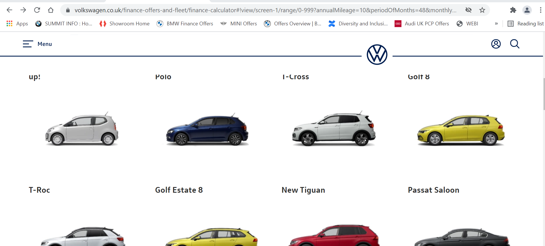
Top Page | https://www.volkswagen.co.uk/finance-offers-and-fleet/finance-calculator#!view/screen-1/range/0-999 | Approx. 250 separate vehicles (by model/ trim/ engine)
Quote calculator | Choose your finance product | - Select Solutions PCP (button)
 | Car Finance Calculator
 | Choose your model and engine
 | Solutions PCP^ example

 | FS Reference | Location | Website Reference | Example/ Format | Type | Min/ max or other restrictions | Required
Model | Model | Top Page |  | ID.3 |  |  | All except T-Roc Cabriolet
 | Body Type | Top Page |  | Saloon
 | Trim | Top Page > Car Finance Calculator > Choose your model and engine | Choose your model and engine | City |  |  | All
 | Engine | Top Page > Car Finance Calculator > Choose your model and engine | Choose your model and engine | City Pure Performance 150PS 1-speed automatic 5 Door |  |  | All
 | Fuel |  |  |  |  |  | All
 | Transmission |  |  |  |  |  | All
Quote | Monthly Payment | Top Page > Car Finance Calculator > Solutions PCP^ example | xx monthly payments of |  |  |  | Y
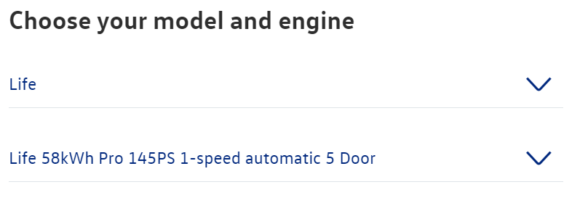
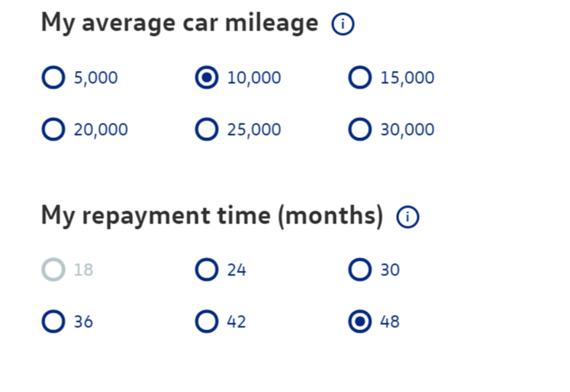
 | Your deposit | Top Page > Car Finance Calculator | My deposit (£) | £4,500 | Select Deposit (£) option button, then input into text field, then click Update | Total deposit including deposit contribution must be less than 30% of Retailer Cash Price, soin some cases the deposit can't be £4,500 | See quote matrix requirments
 | Term | Top Page > Car Finance Calculator | My repayment time (months) | 48 | Option Button |  | See quote matrix requirments
 | Annual mileage | Top Page > Car Finance Calculator | My average car mileage | 10,000 | Option Button |  | See quote matrix requirments
 | Optional final payment | Top Page > Car Finance Calculator > Solutions PCP^ example | Optional final payment | £12,069.90 | Table Output |  | Y
 | Option to purchase fee | Top Page > Car Finance Calculator > Solutions PCP^ example | Option to purchase fee** | £10.00 | Table Output |  | Y
 | Dicounted cash price | Top Page > Car Finance Calculator > Solutions PCP^ example | Retailer cash price | £27,120.00 | Table Output |  | Y
 | Retailer contribution | Top Page > Car Finance Calculator > Solutions PCP^ example | Retailer cash price includes subsidy of | £2,500.00 | Table Output
 | Our deposit contribution | Top Page > Car Finance Calculator > Solutions PCP^ example | Deposit contribution | £1,750.00 | Table Output |  | Y
 | Total deposit |  |  |  | Table Output
 | Amount of credit | Top Page > Car Finance Calculator > Solutions PCP^ example | Total amount of credit | £22,658.21 | Table Output |  | Y
 | Excess mileage | Top Page > Car Finance Calculator > Solutions PCP^ example | Excess mileage (per mile)*** | 9p | Table Output |  | Y
 | Fixed rate of interest | Top Page > Car Finance Calculator > Solutions PCP^ example | Rate of interest p.a. | 4.55% fixed | Table Output |  | Y
 | A.P.R. | Top Page > Car Finance Calculator > Solutions PCP^ example | Representative APR % | 4.6% APR | Table Output |  | Y
 | Total amount payable | Top Page > Car Finance Calculator > Solutions PCP^ example | Total amount payable | £30,247.36 | Table Output |  | Y

Mercedes-Benz
Top Page | https://shop.mercedes-benz.co.uk/new/results
 | Brands required: | Mercedes & AMG
Quote calculator: | New/ Used button: | New
 | Price sorted: | High>Low
 | Select one vehicle: top result
 | Filters > Budget
 | Customer type | Private Individual
 | Choose finance product | Agility (Personal Contract Plan)
 | Update Results | Click to update quotes
 | Select View Finance button on search result
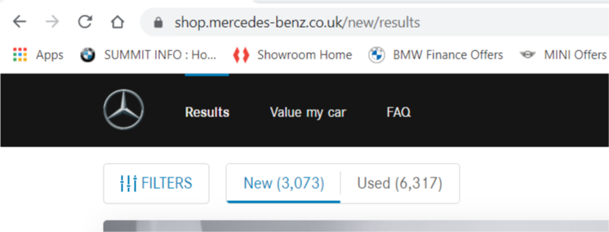
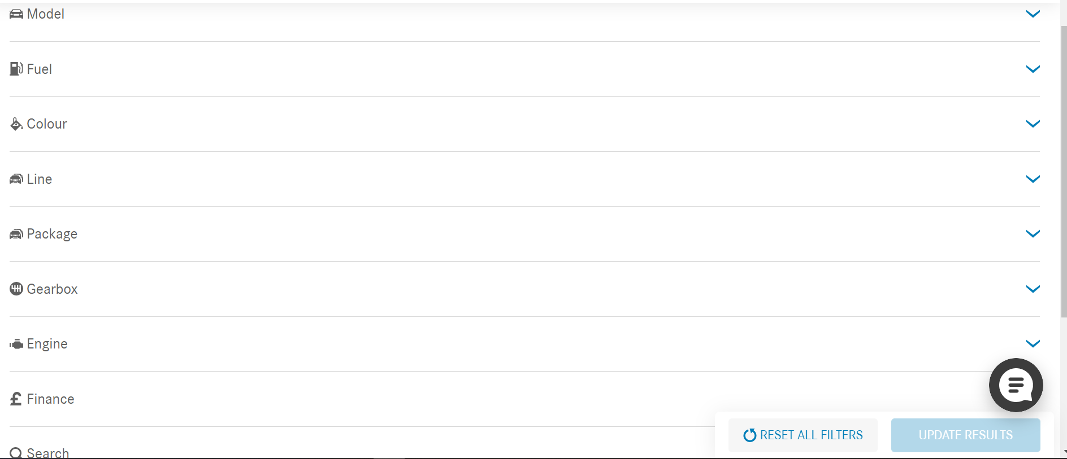
 | Representative example Agility (Personal Contract Plan)

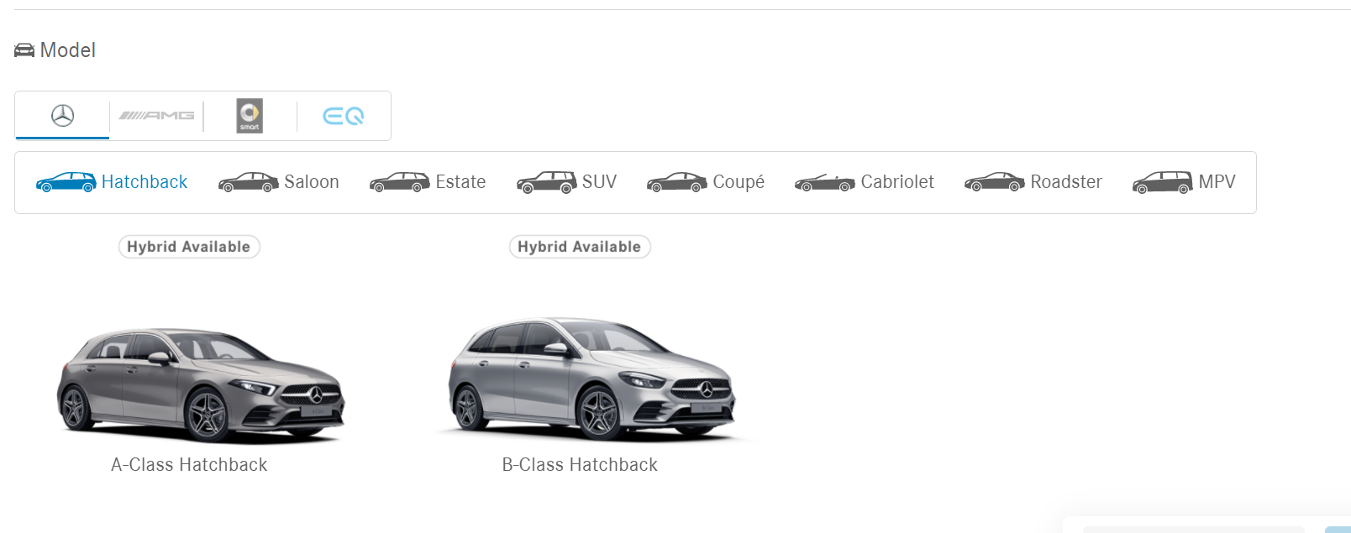
 | FS Reference | Location | Website Reference | Example/ Format | Type | Min/ max or other restrictions | Required
Model | Model | Top Page > Filter Button | Model | A-Class | Image button |  | All
 | Body Type | Top Page > Filter Button |  | Hatchback, Saloon etc. | Filter button |  | All
 | Trim | Top Page > Filter Button | Line | SE, Sport etc. | Filter button |  | SE, Sport, Sport Edition, AMG Line
 | Engine | Top Page > Filter Button | Engine | 180 | Filter button |  | All
 | Fuel | Top Page > Filter Button | Fuel | Petrol | Filter button |  | All
 | Transmission | Top Page > Filter Button | Gearbox | Automatic | Filter button |  | All
Quote | Monthly Payment | Top Page > View Finance > Representative example Agility (Personal Contract Plan) | xx Monthly Payments of* | £250.00 | Table output |  | Y
 | Your deposit | Top Page > Filter Button > Finance | Deposit or target monthly payment | £4,500 | Free text input field |  | See quote matrix requirements
 | Term | Top Page > Filter Button > Finance | Duration of agreement (months) | 48 | Select button | 24, 36 or 48 only | See quote matrix requirements
 | Annual mileage | Top Page > Filter Button > Finance | Annual mileage (miles) | 10,000 | Dropdown | Min 6,000 - max 40,000 in 1,000 increments | See quote matrix requirements
 | Optional final payment | Top Page > View Finance > Representative example Agility (Personal Contract Plan) | Optional Purchase Payment |  | Table output |  | Y
 | Option to purchase fee | Top Page > View Finance > Representative example Agility (Personal Contract Plan) | Purchase Activation Fee |  | Table output |  | Y
 | On the road cash price | Top Page > View Finance > Representative example Agility (Personal Contract Plan) | No reference but strikethrough amount next to retailer offer price | £26,294.99 | Table output |  | Y
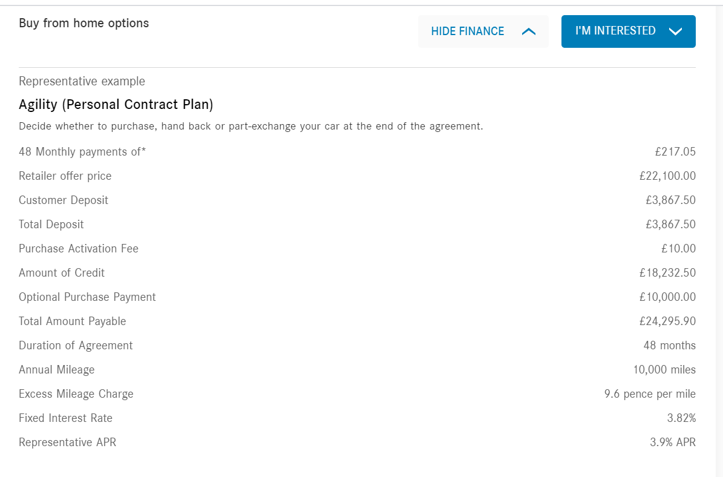
 | Discounted cash price | Top Page > View Finance > Representative example Agility (Personal Contract Plan) | Retailer offer price | £24,794.99 | Table output |  | Y
 | Our deposit contribution
 | Total deposit | Top Page > View Finance > Representative example Agility (Personal Contract Plan) | Total Deposit | £4,500 | Table output
 | Amount of credit | Top Page > View Finance > Representative example Agility (Personal Contract Plan) | Amount of credit | £20,294.99 | Table output |  | Y
 | Excess mileage | Top Page > View Finance > Representative example Agility (Personal Contract Plan) | Excess mileage charge | 9.6 | Table output |  | Y
 | Fixed rate of interest | Top Page > View Finance > Representative example Agility (Personal Contract Plan) | Fixed Interest Rate | 3.82% | Table output |  | Y
 | A.P.R. | Top Page > View Finance > Representative example Agility (Personal Contract Plan) | Representative APR | 3.90% | Table output |  | Y
 | Total amount payable | Top Page > View Finance > Representative example Agility (Personal Contract Plan) | Total Amount Payable | £27,212.52 | Table output |  | Y

